INPUT
 |  |  | Note: | LOW-RISE |  |  |  | HIGH-RISE
 | GENERAL |  |  | Medit | Cont | Oce | SArt | Medit | Cont | Oce | SArt
 | Timestep [minutes] | 5 |  | 5 | 5 | 5 | 5 | 5 | 5 | 5 | 5
 | Simulation start [h] | 0 |  | 0 | 0 | 0 | 0 | 0 | 0 | 0 | 0
 | Simulation stop [h] | 9504 | Calibration month + year | 9504 | 9504 | 9504 | 9504 | 9504 | 9504 | 9504 | 9504
 | Building rotation from azimuth [°] | 0 |  | 45 | 45 | 45 | 45 | 45 | 45 | 45 | 45
 | BUILDING SYSTEM
 | Winter season start [h] | 6888 | 15th October | 6888 | 6552 | 6888 | 6168 | 6888 | 6552 | 6888 | 6168
 | Winter season end [h] | 2496 | 15th April | 2496 | 2880 | 2496 | 3216 | 2496 | 2880 | 2496 | 3216
 | Volume DHW thermal energy storage [m3] | 0.977 | Possible range: 0.75-5 for Low-rise building; 2.25-15 for High-rise building. Please, select a value in those ranges | 0.977 | 0.977 | 0.977 | 0.977 | 3.283 | 3.283 | 3.283 | 3.283
 | Night setback | 0 | 1 if there is a setback, 0 if there is not a setback | 0 | 0 | 0 | 0 | 0 | 0 | 0 | 0
 | Start heating plant - morning [h] | 6 |  | 6 | 6 | 6 | 6 | 6 | 6 | 6 | 6
 | Stop heating plant - morning [h] | 12 | These three must be the same if only night setback is used | 22 | 22 | 22 | 22 | 22 | 22 | 22 | 22
 | Start heating plant - afternoon [h] | 14 |  | 22 | 22 | 22 | 22 | 22 | 22 | 22 | 22
 | Stop heating plant - afternoon [h] | 22 |  | 22 | 22 | 22 | 22 | 22 | 22 | 22 | 22
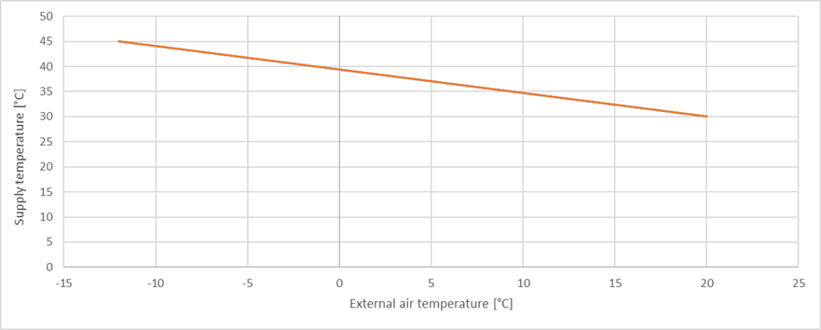
 | Buffer max temperature heating [°C] | 45 |  | 45 | 45 | 45 | 45 | 45 | 45 | 45 | 45
 | Buffer min temperature cooling [°C] | 7 |  | 7 | 7 | 7 | 7 | 7 | 7 | 7 | 7
 | Minimum ambient temperature [°C] | -5 |  | -5 | -12 | -8 | -17 | -5 | -12 | -8 | -17
 | TES setpoint [°C] | 45 | Define the setpoint of the buffer at the minimum ambient temperature, for the definition of the climatic curve. The second setpoint temperature is fixed at 30°C at 20°C of ambient temperature.
 | Heat Pump size at nominal condition [kW] | 15 | define nominal condition standard EN 14511-2:2018 | 12.20 | 12.87 | 11.86 | 14.27 | 41.19 | 39.84 | 45.30 | 34.68
 | Rated COP (heating mode) at nominal condition | 3.98 | define nominal condition standard EN 14511-2:2018 | 3.98 | 3.98 | 3.98 | 3.98 | 3.98 | 3.98 | 3.98 | 3.98
 | Rated EER (cooling mode) at nominal condition | 3.65 | define nominal condition standard EN 14511-2:2018 | 3.65 | 3.65 | 3.65 | 3.65 | 3.65 | 3.65 | 3.65 | 3.65
 | PHOTOVOLTAIC
Roof | PV nominal power [kW] | 17.69 | Change this value as preferred, the number of PV modules will be calculated in the yellow line below | 17.69 | 17.69 | 17.69 | 17.69 | 34.00 | 34 | 34 | 34
 | PV slope [°] | 37 | 0= horizontal; 90= vertical (zenith); -90= vertical (opposite to zenith) | 37 | 37 | 38 | 44 | 44 | 44 | 44 | 44
 | PV panels azimuth [°] | 0 | 0= toward south; 90= west; -90= east | 0 | 0 | 0 | 0 | 0 | 0 | 0 | 0
 | Number of PV modules | 77 |  | 77 | 77 | 77 | 77 | 148 | 148 | 148 | 148
SE Facade | PV nominal power [kW] | 9.42 | Change this value as preferred, the number of PV modules will be calculated in the yellow line below | 9.42 | 9.42 | 9.42 | 8.5 | 62.49 | 65.94 | 68.01 | 68.01
 | PV slope [°] | 90 | 0= horizontal; 90= vertical (zenith); -90= vertical (opposite to zenith) | 90 | 90 | 90 | 90 | 90 | 90 | 90 | 90
 | PV panels azimuth [°] | -39.4 | 0= toward south; 90= west; -90= east | -39.4 | -39.4 | -39.4 | -39.4 | -55 | -55 | -55 | -55
 | Number of PV modules | 41 |  | 41 | 41 | 41 | 37 | 272 | 287 | 297 | 297
SW Facade | PV nominal power [kW] | 5.51 | Change this value as preferred, the number of PV modules will be calculated in the yellow line below | 5.51 | 5.05 | 5.51 | 5.51 | 0 | 39.75 | 39.75 | 39.75
 | PV slope [°] | 90 | 0= horizontal; 90= vertical (zenith); -90= vertical (opposite to zenith) | 90 | 90 | 90 | 90 | 90 | 90 | 90 | 90
 | PV panels azimuth [°] | 50.2 | 0= toward south; 90= west; -90= east | 50.2 | 50.2 | 50.2 | 50.2 | 35 | 35 | 35 | 35
 | Number of PV modules | 24 |  | 24 | 22 | 24 | 24 | 1 | 174 | 174 | 174
NW Facade | PV nominal power [kW] | 0 | Change this value as preferred, the number of PV modules will be calculated in the yellow line below | - | - | - | - | 39.75 | 0 | 67.32 | 65.25
 | PV slope [°] | 90 | 0= horizontal; 90= vertical (zenith); -90= vertical (opposite to zenith) | - | - | - | - | 90 | 90 | 90 | 90
 | PV panels azimuth [°] | 125 | 0= toward south; 90= west; -90= east | - | - | - | - | 125 | 125 | 125 | 125
 | Number of PV modules | 1 |  | - | - | - | - | 174 | 1 | 294 | 284
 | Module voltage at PV max power [V] | 29.8 |  | 29.8 | 29.8 | 29.8 | 29.8 | 29.8 | 29.8 | 29.8 | 29.8
 | Module current at PV max power [A] | 7.71 |  | 7.71 | 7.71 | 7.71 | 7.71 | 7.71 | 7.71 | 7.71 | 7.71
 | PV module area [m2] | 1.609 |  | 1.609 | 1.609 | 1.609 | 1.609 | 1.609 | 1.609 | 1.609 | 1.609
 | BESS capacity [Wh] | 46000 |  | 46000 | 42700 | 63600 | 16200 | 48700 | 128500 | 108000 | 167000

